Sale of 6.54 Acres
ACREAGE SOLD: 6.54 acres from 68.107 acres

UVD2_PROJECT_CHARGES_ALL
Unit | Dept | Account | EC | Project | Location | Activity | Affiliate | BU Amount | Journal ID | DelivDt-PO | Period | Year | Source Type | Sys Source | Descr
TRN | 515660 | 1070000 | 856 | 0PT54615 | 0000 | 0000 |  | (194,066.50) | 0000873623 |  | 4 | 2024 | CIAC | UJE | CIAC-Sale of Oncor Facilities
TRN | 515660 | 1070000 | 417 | 0PT54615 | 0000 | 0000 |  | 3,903.90 | PUR1004514 |  | 7 | 2024 | MISCL | PUR | Ground Surveying
TRN | 515660 | 1070000 | 870 | 0PT54615 | 0000 | 0000 |  | 167.09 | ALO1004519 |  | 7 | 2024 | INDOH | ALO | Indirect Construction Overhead

Cost of Land:

UVD2_LAND_IN_FEE |  |  |  |  |  |  |  |  |  |  |  |  |  |  |  |  |  |  |  |  |  | Deed
Unit | Asset ID | CnstrWrkLc | Descr | Account | Func code | Plant Acct | Sub Acct | Prop Unit | Descr | Trans Type | Project | Vntg Yr | Gross Amt | Net Amt | CIAC Amt | AFUDC Amt | Qty | Posted | Reference | User | Descr | Easement
TRN | 00412672 | 0005350 | TARRANT, WEST SW STA 345 KV | 1051000 | AFT | 105 | 1000 | 0010 | FEE LAND | MA |  | 1987 | 1,158,333.84 | 1,158,333.84 | 0.00 | 0.00 | 1.00 | 1997-11-01 |  | CONV2000 | No comment,ECS | 2636
TRN | 00412672 | 0005350 | TARRANT, WEST SW STA 345 KV | 1051000 | AFT | 105 | 1000 | 0010 | FEE LAND | MA |  | 1987 | 0.00 | 0.00 | 0.00 | 0.00 | 60.78 | 2013-03-31 |  | UVD2 | Correct acreage | 2636
TRN | 00412672 | 0005350 | TARRANT, WEST SW STA 345 KV | 1051000 | AFT | 105 | 1000 | 0010 | FEE LAND | TO |  | 1987 | (122,620.64) | (122,620.64) | 0.00 | 0.00 | (6.54) | 2024-03-31 | 0PT54615 | U1N6 | Partial Sell of AFT Property | 2636
TRN | 00768148 | 0005350 | TARRANT, WEST SW STA 345 KV | 1010212 | TSR | 349 | 7000 | 0010 | FEE LAND | TI |  | 1987 | 122,620.64 | 122,620.64 | 0.00 | 0.00 | 6.54 | 2024-03-31 | 0PT54615 | U1N6 | Partial Sell of AFT Property | 2636

 |  |  |  |  |  |  |  |  |  |  |  |  |  | 1,158,333.84 |  | 0.00 | 61.780

 |  |  |  |  |  |  |  |  |  |  |  |  |  | 18,749.33 | Cost per Acre
 |  |  |  |  |  |  |  |  |  |  |  |  |  | 122,620.64 | Cost of Land Sold | 6.5400 | Acres

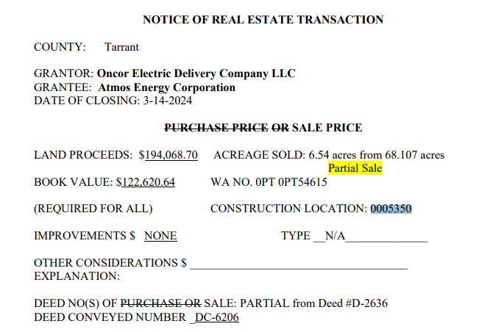
Calculation of Gain/Loss:

 |  | (194,066.50) |  | Gross Proceeds
 |  | 4,070.99 |  | <Removal Cost>
 |  | (189,995.51) |  | Net Proceeds
 |  | 122,620.64 |  | <Cost of Land Sold>
 |  | (67,374.87) |  | Gain (Neg) or Loss (Pos)

Journal Entry:

Gain if Credit

BU | DeptID | Account | EC | Project | Location | Activity | Affiliate | Amount | Reference | Description
TRN | 515660 | 1084212 | 941 | 0PT54615 | 0000 | 0000 |  | 67,374.87 | Gain | Sale of 6.54 acres
TRN | 515660 | 4210100 | 000 | 0PT54615 | 0000 | 0000 |  | (67,374.87) | Gain | Sale of 6.54 acres

Retire the Land Sold

U46E_PROJ_TXNS
Unit | Project | Asset ID | Vntg Yr | Account | Plant Acct | Prop Unit | Descr | Sub Acct | Trans Type | Qty | Gross Amt | Reference | User | Descr | AFUDC Amt | CIAC Amt | Net Amt | Posted | CnstrWrkLc
TRN | 0PT54615 | 00768148 | 1987 | 1010212 | 349 | 0010 | FEE LAND | 7000 | RT | (6.54) | (122,620.64) | MANUAL | U1N6 | ACERAGE SOLD: 6.54 acres from 61.78 acres | 0.00 | 0.00 | (122,620.64) |  | 0005350

 |  |  |  |  |  |  |  |  |  | (6.54) | (122,620.64)

Sale of 2.18 Acres
ACREAGE SOLD: 2.18 acres from 35.512 acres

UVD2_PROJECT_CHARGES_ALL
Unit | Dept | Account | EC | Project | Location | Activity | Affiliate | BU Amount | Journal ID | DelivDt-PO | Period | Year | Source Type | Sys Source | Descr
TRN | 515660 | 1070000 | 417 | 0PT52111 | 0000 | 0000 |  | 7,461.13 | PUR1002203 |  | 6 | 2024 | MISCL | PUR | Ground Surveying
TRN | 515660 | 1070000 | 856 | 0PT52111 | 0000 | 0000 |  | (37,077.21) | 0001003441 |  | 6 | 2024 | CIAC | PEZ | CIAC-Sale of Oncor Facilities
TRN | 515660 | 1070000 | 859 | 0PT52111 | 0000 | 0000 |  | 37,077.21 | PRJ1003577 |  | 6 | 2024 | CIAC | PRJ | CIAC-Allocated
TRN | 515660 | 1070000 | 870 | 0PT52111 | 0000 | 0000 |  | 259.65 | ALO1003444 |  | 6 | 2024 | INDOH | ALO | Indirect Construction Overhead
TRN | 515660 | 1084212 | 941 | 0PT52111 | 0000 | 0000 |  | (37,077.21) | PRJ1003577 |  | 6 | 2024 | CIAC | PRJ | Other Recoveries- Const. Acctg

Cost of Land:

UVD2_LAND_IN_FEE |  |  |  |  |  |  |  |  |  |  |  |  |  |  |  |  |  |  |  |  |  | Deed
Unit | Asset ID | CnstrWrkLc | Descr | Account | Func code | Plant Acct | Sub Acct | Prop Unit | Descr | Trans Type | Project | Vntg Yr | Gross Amt | Net Amt | CIAC Amt | AFUDC Amt | Qty | Posted | Reference | User | Descr | Easement
TRN | 00050651 | 0000210 | Tricorner Switching Station | 1010212 | TSR | 349 | 7000 | 0010 | FEE LAND | AD | CONVERSN | 1978 | 32,613.36 | 32,613.36 | 0.00 | 0.00 | 35.512 | 1978-08-01 |  | CONV2000 | GRANTOR: TEXAS POWER & LIGHT CO. | 003093
TRN | 00050651 | 0000210 | Tricorner Switching Station | 1010212 | TSR | 349 | 7000 | 0010 | FEE LAND | AD | CONVERSN | 1978 | (2,200.00) | (2,200.00) | 0.00 | 0.00 | 0.000 | 1978-08-01 |  | CONV2000 | GRANTOR: TEXAS POWER & LIGHT. | 003093

 |  |  |  |  |  |  |  |  |  |  |  |  |  | 30,413.36 |  | 0.00 | 35.512

 |  |  |  |  |  |  |  |  |  |  |  |  |  | 856.42 | Cost per Acre
 |  |  |  |  |  |  |  |  |  |  |  |  |  | 1,867.01 | Cost of Land Sold | 2.1800 | Acres

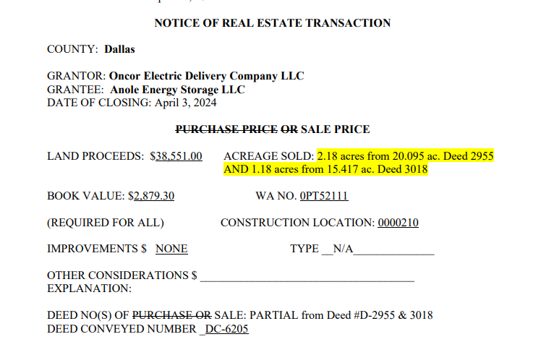
Calculation of Gain/Loss:

 |  | (37,077.21) |  | Gross Proceeds
 |  | 7,720.78 |  | <Removal Cost>
 |  | (29,356.43) |  | Net Proceeds
 |  | 1,867.01 |  | <Cost of Land Sold>
 |  | (27,489.42) |  | Gain (Neg) or Loss (Pos)

Journal Entry:

Gain if Credit

BU | DeptID | Account | EC | Project | Location | Activity | Affiliate | Amount | Reference | Description
TRN | 515660 | 1084212 | 941 | 0PT52111 | 0000 | 0000 |  | 27,489.42 | Gain | Sale of 2.18 acres
TRN | 515660 | 4210100 | 000 | 0PT52111 | 0000 | 0000 |  | (27,489.42) | Gain | Sale of 2.18 acres

Retire the Land Sold

U46E_PROJ_TXNS
Unit | Project | Asset ID | Vntg Yr | Account | Plant Acct | Prop Unit | Descr | Sub Acct | Trans Type | Qty | Gross Amt | Reference | User | Descr | AFUDC Amt | CIAC Amt | Net Amt | Posted | CnstrWrkLc
TRN | 0PT52111 | 00050651 | 1978 | 1010212 | 349 | 0010 | FEE LAND | 7000 | RT | (2.18) | (1,867.01) | Land Sold | U1N6 | ACREAGE SOLD: 2.18 acres from 35.512 acres | 0.00 | 0.00 | (1,867.01) |  | 0000210

 |  |  |  |  |  |  |  |  |  | (2.18) | (1,867.01)

Sale of 7.429 Acres
ACREAGE SOLD: 7.429 acres from 62.10 acres

UVD2_PROJECT_CHARGES_ALL
Unit | Dept | Account | EC | Project | Location | Activity | Affiliate | BU Amount | Journal ID | DelivDt-PO | Period | Year | Source Type | Sys Source | Descr
TRN | 515660 | 1070000 | 900 | 0PT55261 | 0000 | 0000 |  | (1,774,944.62) | BIBI005337 |  | 8 | 2024 | MISCL | BIL | Miscellaneous General Expense | *Billing charged incorrectly, correcting to 856 via journal

Cost of Land:

UVD2_LAND_IN_FEE |  |  |  |  |  |  |  |  |  |  |  |  |  |  |  |  |  |  |  |  |  | Deed
Unit | Asset ID | CnstrWrkLc | Descr | Account | Func code | Plant Acct | Sub Acct | Prop Unit | Descr | Trans Type | Project | Vntg Yr | Gross Amt | Net Amt | CIAC Amt | AFUDC Amt | Qty | Posted | Reference | User | Descr | Easement
TRN | 00747555 | 0401380 | Teal Switch | 1010212 | TSR | 349 | 7000 | 0010 | FEE LAND | AD | 0PT47111 | 2022 | 11,419,247.39 | 11,419,247.39 | 0.00 | 0.00 | 62.10 | 2022-11-30 |  |  | BATCH UNITIZATION | 6121
TRN | 00747555 | 0401380 | Teal Switch | 1010212 | TSR | 349 | 7000 | 0010 | FEE LAND | SA | 0PT47111 | 2022 | 1,871.10 | 1,871.10 | 0.00 | 0.00 | 0.00 | 2022-12-31 |  |  | BATCH UNITIZATION | 6121
TRN | 00747555 | 0401380 | Teal Switch | 1010212 | TSR | 349 | 7000 | 0010 | FEE LAND | SA | 0PT47111 | 2023 | 23,609.93 | 23,609.93 | 0.00 | 0.00 | 0.00 | 2023-01-31 |  |  | BATCH UNITIZATION | 6121
TRN | 00747555 | 0401380 | Teal Switch | 1010212 | TSR | 349 | 7000 | 0010 | FEE LAND | SA | 0PT47111 | 2023 | 1,322.09 | 1,322.09 | 0.00 | 0.00 | 0.00 | 2023-02-28 |  |  | BATCH UNITIZATION | 6121
TRN | 00747555 | 0401380 | Teal Switch | 1010212 | TSR | 349 | 7000 | 0010 | FEE LAND | SA | 0PT47111 | 2023 | 246.29 | 246.29 | 0.00 | 0.00 | 0.00 | 2023-05-31 |  |  | BATCH UNITIZATION | 6121
TRN | 00747555 | 0401380 | Teal Switch | 1010212 | TSR | 349 | 7000 | 0010 | FEE LAND | SA | 0PT47111 | 2023 | 163.86 | 163.86 | 0.00 | 0.00 | 0.00 | 2023-04-30 |  |  | BATCH UNITIZATION | 6121
TRN | 00747555 | 0401380 | Teal Switch | 1010212 | TSR | 349 | 7000 | 0010 | FEE LAND | SA | 0PT47111 | 2024 | 1,480.20 | 1,480.20 | 0.00 | 0.00 | 0.00 | 2024-02-29 |  |  | BATCH UNITIZATION | 6121
TRN | 00747555 | 0401380 | Teal Switch | 1010212 | TSR | 349 | 7000 | 0010 | FEE LAND | SA | 0PT47111 | 2024 | 1,063.68 | 1,063.68 | 0.00 | 0.00 | 0.00 | 2024-04-30 |  |  | BATCH UNITIZATION | 6121

 |  |  |  |  |  |  |  |  |  |  |  |  |  | 11,449,004.54 |  |  | 62.100

 |  |  |  |  |  |  |  |  |  |  |  |  |  | 184,364.00 | Cost per Acre
 |  |  |  |  |  |  |  |  |  |  |  |  |  | 1,369,640.17 | Cost of Land Sold | 7.4290 | Acres

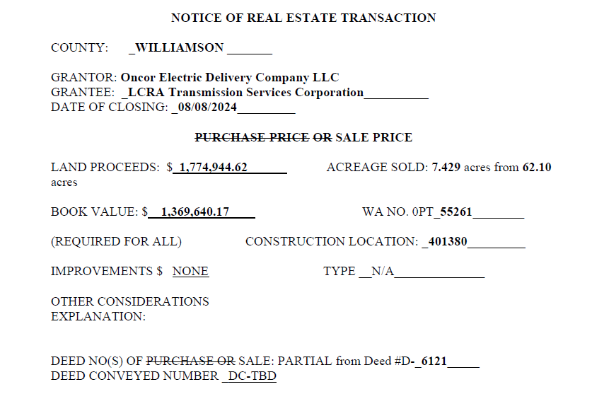
Calculation of Gain/Loss:

 |  | (1,774,944.62) |  | Gross Proceeds
 |  | 0.00 |  | <Removal Cost>
 |  | (1,774,944.62) |  | Net Proceeds
 |  | 1,369,640.17 |  | <Cost of Land Sold>
 |  | (405,304.45) |  | Gain (Neg) or Loss (Pos)

Journal Entry:

Gain if Credit

BU | DeptID | Account | EC | Project | Location | Activity | Affiliate | Amount | Reference | Description
TRN | 515660 | 4210100 | 000 | 0PT55261 | 0000 | 0000 |  | (405,304.45) |  | Gain on Sale of 7.429 Acres
TRN | 515660 | 1084212 | 941 | 0PT55261 | 0000 | 0000 |  | 405,304.45 |  | Gain on Sale of 7.429 Acres

Retire the Land Sold

U46E_PROJ_TXNS
Unit | Project | Asset ID | Vntg Yr | Account | Plant Acct | Prop Unit | Descr | Sub Acct | Trans Type | Qty | Gross Amt | Reference | User | Descr | AFUDC Amt | CIAC Amt | Net Amt | Posted | CnstrWrkLc
TRN | 0PT55261 | 00747555 | 2022 | 1010212 | 349 | 0010 | FEE LAND | 7000 | RT | (7.43) | (1,369,640.17) | Land Sold | U1N6 | ACREAGE SOLD: 7.429 acres from 62.10 acres | 0.00 | 0.00 | (1,369,640.17) |  | 0401380

 |  |  |  |  |  |  |  |  |  | (7.43) | (1,369,640.17)

Exchange of 97 Acres
ACREAGE EXCHANGED: 97 acres for two large transmission line easements

UVD2_PROJECT_CHARGES_ALL
Unit | Dept | Account | EC | Project | Location | Activity | Affiliate | BU Amount | Journal ID | DelivDt-PO | Period | Year | Source Type | Sys Source | Descr
TRN | 515660 | 1070000 | 407 | 0PT53434 | 0000 | 0000 |  | 1,500.00 | JPR1003115 |  | 6 | 2024 | MISCL | PUR | Market Research
TRN | 515660 | 1070000 | 870 | 0PT53434 | 0000 | 0000 |  | 52.20 | ALO1003444 |  | 6 | 2024 | INDOH | ALO | Indirect Construction Overhead
TRN | 515660 | 1070000 | 870 | 0PT53434 | 0000 | 0000 |  | 2,853.37 | ALO1006061 |  | 8 | 2024 | INDOH | ALO | Indirect Construction Overhead
TRN | 515660 | 1070000 | 870 | 0PT53434 | 0000 | 0000 |  | 607.66 | ALO1008207 |  | 10 | 2024 | INDOH | ALO | Indirect Construction Overhead
TRN | 515660 | 1070000 | 903 | 0PT53434 | 0000 | 0000 |  | 62,849.52 | PUR1006023 |  | 8 | 2024 | MISCL | PUR | Purchase of Land & ROW
TRN | 515660 | 1070000 | 903 | 0PT53434 | 0000 | 0000 |  | 10,144.58 | PUR1007996 |  | 10 | 2024 | MISCL | PUR | Purchase of Land & ROW

Cost of Land:

UVD2_LAND_IN_FEE |  |  |  |  |  |  |  |  |  |  |  |  |  |  |  |  |  |  |  |  |  | Deed
Unit | Asset ID | CnstrWrkLc | Descr | Account | Func code | Plant Acct | Sub Acct | Prop Unit | Descr | Trans Type | Project | Vntg Yr | Gross Amt | Net Amt | CIAC Amt | AFUDC Amt | Qty | Posted | Reference | User | Descr | Easement
TRN | 00778997 | 0501412 | Dunham Switch | 1010212 | TSR | 349 | 7000 | 0010 | FEE LAND | TI |  | 2021 | 8,483,992.75 | 8,483,992.75 | 0.00 | 0.00 | 81.50 |  | 0PT53434 | U1N6 | Xfer to 101 for Land Sale | 6055
TRN | 00778997 | 0501412 | Dunham Switch | 1010212 | TSR | 349 | 7000 | 0010 | FEE LAND | TI |  | 2021 | 7,536,734.74 | 7,536,734.74 | 0.00 | 0.00 | 72.40 |  | 0PT53434 | U1N6 | TRANSFER IN ALL VINTAGE YEARS | 6055
TRN | 00778997 | 0501412 | Dunham Switch | 1010212 | TSR | 349 | 7000 | 0010 | FEE LAND | TI |  | 2021 | 0.00 | 0.00 | 0.00 | 0.00 | 0.00 |  | 0PT53434 | U1N6 | Xfer from 00734401 to consolidate land for sale | 6055
TRN | 00778997 | 0501412 | Dunham Switch | 1010212 | TSR | 349 | 7000 | 0010 | FEE LAND | TI |  | 2022 | 43,605.84 | 43,605.84 | 0.00 | 0.00 | 0.00 |  | 0PT53434 | U1N6 | TRANSFER IN ALL VINTAGE YEARS | 6055
TRN | 00778997 | 0501412 | Dunham Switch | 1010212 | TSR | 349 | 7000 | 0010 | FEE LAND | TO |  | 2022 | (43,605.84) | (43,605.84) | 0.00 | 0.00 | 0.00 |  | 0PT53434 | U1N6 | Corr Amt Transferred from 105 in Error | 6055
TRN | 00778997 | 0501412 | Dunham Switch | 1010212 | TSR | 349 | 7000 | 0010 | FEE LAND | TI |  | 2022 | 0.00 | 0.00 | 0.00 | 0.00 | 0.00 |  | 0PT53434 | U1N6 | Xfer from 00734401 to consolidate land for sale | 6055
TRN | 00778997 | 0501412 | Dunham Switch | 1010212 | TSR | 349 | 7000 | 0010 | FEE LAND | TI |  | 2022 | 49,086.52 | 49,086.52 | 0.00 | 0.00 | 0.00 |  | 0PT53434 | U1N6 | Xfer to 101 for Land Sale | 6055
TRN | 00778997 | 0501412 | Dunham Switch | 1010212 | TSR | 349 | 7000 | 0010 | FEE LAND | TI |  | 2023 | 41,752.37 | 41,752.37 | 0.00 | 0.00 | 0.00 |  | 0PT53434 | U1N6 | TRANSFER IN ALL VINTAGE YEARS | 6055
TRN | 00778997 | 0501412 | Dunham Switch | 1010212 | TSR | 349 | 7000 | 0010 | FEE LAND | TI |  | 2023 | 47,000.17 | 47,000.17 | 0.00 | 0.00 | 0.00 |  | 0PT53434 | U1N6 | Xfer to 101 for Land Sale | 6055
TRN | 00778997 | 0501412 | Dunham Switch | 1010212 | TSR | 349 | 7000 | 0010 | FEE LAND | TI |  | 2023 | 0.00 | 0.00 | 0.00 | 0.00 | 0.00 |  | 0PT53434 | U1N6 | Xfer from 00734401 to consolidate land for sale | 6055
TRN | 00778997 | 0501412 | Dunham Switch | 1010212 | TSR | 349 | 7000 | 0010 | FEE LAND | TO |  | 2023 | (41,752.37) | (41,752.37) | 0.00 | 0.00 | 0.00 |  | 0PT53434 | U1N6 | Corr Amt Transferred from 105 in Error | 6055
TRN | 00778997 | 0501412 | Dunham Switch | 1010212 | TSR | 349 | 7000 | 0010 | FEE LAND | TO |  | 2024 | (806.75) | (806.75) | 0.00 | 0.00 | 0.00 |  | 0PT53434 | U1N6 | Corr Amt Transferred from 105 in Error | 6055
TRN | 00778997 | 0501412 | Dunham Switch | 1010212 | TSR | 349 | 7000 | 0010 | FEE LAND | TI |  | 2024 | 908.15 | 908.15 | 0.00 | 0.00 | 0.00 |  | 0PT53434 | U1N6 | Xfer to 101 for Land Sale | 6055
TRN | 00778997 | 0501412 | Dunham Switch | 1010212 | TSR | 349 | 7000 | 0010 | FEE LAND | TI |  | 2024 | 6,279.17 | 6,279.17 | 0.00 | 0.00 | 0.00 |  | 0PT53434 | U1N6 | Xfer from 00734401 to consolidate land for sale | 6055
TRN | 00778997 | 0501412 | Dunham Switch | 1010212 | TSR | 349 | 7000 | 0010 | FEE LAND | TI |  | 2024 | 806.75 | 806.75 | 0.00 | 0.00 | 0.00 |  | 0PT53434 | U1N6 | TRANSFER IN ALL VINTAGE YEARS | 6055
TRN | 00778997 | 0501412 | Dunham Switch | 1010212 | TSR | 349 | 7000 | 0010 | FEE LAND | TO |  | 2021 | (5,904,970.93) | (5,904,970.93) | 0.00 | 0.00 | (56.90) |  | 0PT53434 | U1N6 | Corr Amt Transferred from 105 in Error | 6055

 |  |  |  |  |  |  |  |  |  |  |  |  |  | 10,219,030.57 |  |  | 97.000

 |  |  |  |  |  |  |  |  |  |  |  |  |  | 105,350.83 | Cost per Acre
 |  |  |  |  |  |  |  |  |  |  |  |  |  | 10,219,030.57 | Cost of Land Sold | 97.0000 | Acres

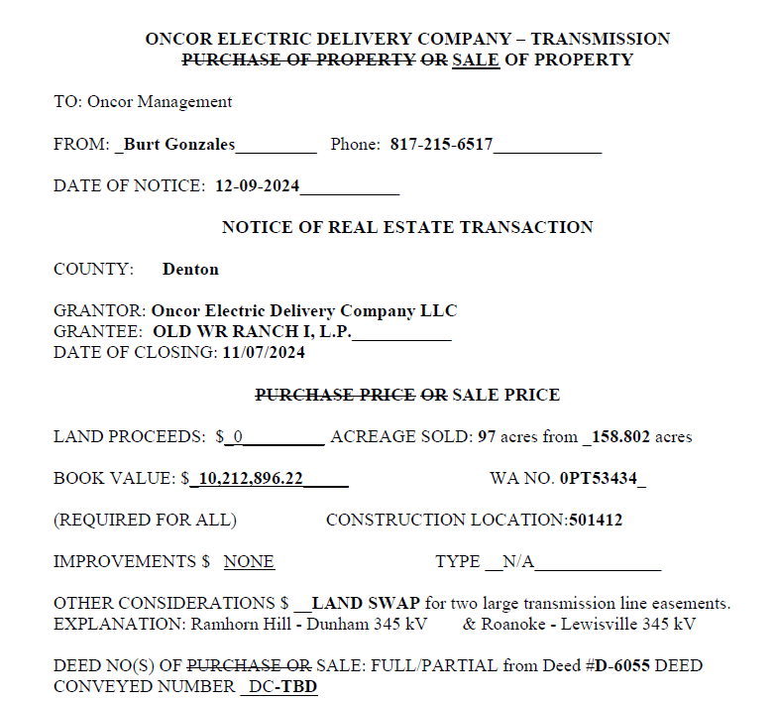
Calculation of Gain/Loss:

 |  | 0.00 |  | Gross Proceeds
 |  | 78,007.33 |  | <Removal Cost>
 |  | 78,007.33 |  | Net Proceeds
 |  | 0.00 |  | <Cost of Land Sold> |  |  | *Cost of Land is zero due to this property being swapped for an easement, investment transferred to easement property unit
 |  | 78,007.33 |  | Gain (Neg) or Loss (Pos) |  |  | see details below

Journal Entry:

Loss if Debit

BU | DeptID | Account | EC | Project | Location | Activity | Affiliate | Amount | Reference | Description
TRN | 515660 | 4210200 | 000 | 0PT53434 | 0000 | 0000 |  | 78,007.33 |  | Loss on Land Swap of 97 Acres
TRN | 515660 | 1084212 | 941 | 0PT53434 | 0000 | 0000 |  | (78,007.33) |  | Loss on Land Swap of 97 Acres

Retire the Land Sold

U46E_PROJ_TXNS
Unit | Project | Asset ID | Vntg Yr | Account | Plant Acct | Prop Unit | Descr | Sub Acct | Trans Type | Qty | Gross Amt | Reference | User | Descr | AFUDC Amt | CIAC Amt | Net Amt | Posted | CnstrWrkLc
TRN | 0PT53434 | 00778997 | 2021 | 1010212 | 349 | 0010 | FEE LAND | 7000 | RT | (97.00) | 0.00 | Land Swap | U1N6 | Land Exchange: TSR Owned in Fee for T Easement | 0.00 | 0.00 | 0.00 |  | 0501412
TRN |  | 00778997 | 2023 | 1010212 | 349 | 0010 | FEE LAND | 7000 | TI | 0.00 | 47,000.17 | 0PT53434 | U1N6 | Xfer to 101 for Land Sale | 0.00 | 0.00 | 47,000.17 |  | 0501412
TRN |  | 00778997 | 2022 | 1010212 | 349 | 0010 | FEE LAND | 7000 | TI | 0.00 | 43,605.84 | 0PT53434 | U1N6 | TRANSFER IN ALL VINTAGE YEARS | 0.00 | 0.00 | 43,605.84 |  | 0501412
TRN |  | 00778997 | 2021 | 1010212 | 349 | 0010 | FEE LAND | 7000 | TI | 72.40 | 7,536,734.74 | 0PT53434 | U1N6 | TRANSFER IN ALL VINTAGE YEARS | 0.00 | 0.00 | 7,536,734.74 |  | 0501412
TRN |  | 00778997 | 2023 | 1010212 | 349 | 0010 | FEE LAND | 7000 | TI | 0.00 | 41,752.37 | 0PT53434 | U1N6 | TRANSFER IN ALL VINTAGE YEARS | 0.00 | 0.00 | 41,752.37 |  | 0501412
TRN |  | 00778997 | 2024 | 1010212 | 349 | 0010 | FEE LAND | 7000 | TI | 0.00 | 806.75 | 0PT53434 | U1N6 | TRANSFER IN ALL VINTAGE YEARS | 0.00 | 0.00 | 806.75 |  | 0501412
TRN |  | 00778997 | 2021 | 1010212 | 349 | 0010 | FEE LAND | 7000 | TI | 81.50 | 8,483,992.75 | 0PT53434 | U1N6 | Xfer to 101 for Land Sale | 0.00 | 0.00 | 8,483,992.75 |  | 0501412
TRN |  | 00778997 | 2024 | 1010212 | 349 | 0010 | FEE LAND | 7000 | TI | 0.00 | 908.15 | 0PT53434 | U1N6 | Xfer to 101 for Land Sale | 0.00 | 0.00 | 908.15 |  | 0501412
TRN |  | 00778997 | 2023 | 1010212 | 349 | 0010 | FEE LAND | 7000 | TI | 0.00 | 0.00 | 0PT53434 | U1N6 | Xfer from 00734401 to consolidate land for sale | 0.00 | 0.00 | 0.00 |  | 0501412
TRN |  | 00778997 | 2022 | 1010212 | 349 | 0010 | FEE LAND | 7000 | TI | 0.00 | 0.00 | 0PT53434 | U1N6 | Xfer from 00734401 to consolidate land for sale | 0.00 | 0.00 | 0.00 |  | 0501412
TRN |  | 00778997 | 2022 | 1010212 | 349 | 0010 | FEE LAND | 7000 | TI | 0.00 | 49,086.52 | 0PT53434 | U1N6 | Xfer to 101 for Land Sale | 0.00 | 0.00 | 49,086.52 |  | 0501412
TRN |  | 00778997 | 2024 | 1010212 | 349 | 0010 | FEE LAND | 7000 | TI | 0.00 | 6,279.17 | 0PT53434 | U1N6 | Xfer from 00734401 to consolidate land for sale | 0.00 | 0.00 | 6,279.17 |  | 0501412
TRN |  | 00778997 | 2021 | 1010212 | 349 | 0010 | FEE LAND | 7000 | TI | 0.00 | 0.00 | 0PT53434 | U1N6 | Xfer from 00734401 to consolidate land for sale | 0.00 | 0.00 | 0.00 |  | 0501412
TRN |  | 00778997 | 2022 | 1010212 | 349 | 0010 | FEE LAND | 7000 | TO | 0.00 | (49,086.52) | 0PT53434 | U1N6 | TRANSFER OUT ALL VINTAGE YEARS | 0.00 | 0.00 | (49,086.52) |  | 0501412
TRN |  | 00778997 | 2023 | 1010212 | 349 | 0010 | FEE LAND | 7000 | TO | 0.00 | (47,000.17) | 0PT53434 | U1N6 | TRANSFER OUT ALL VINTAGE YEARS | 0.00 | 0.00 | (47,000.17) |  | 0501412
TRN |  | 00778997 | 2021 | 1010212 | 349 | 0010 | FEE LAND | 7000 | TO | 0.00 | 0.00 | 0PT53434 | U1N6 | TRANSFER OUT ALL VINTAGE YEARS | 0.00 | 0.00 | 0.00 |  | 0501412
TRN |  | 00778997 | 2024 | 1010212 | 349 | 0010 | FEE LAND | 7000 | TO | 0.00 | (7,187.32) | 0PT53434 | U1N6 | TRANSFER OUT ALL VINTAGE YEARS | 0.00 | 0.00 | (7,187.32) |  | 0501412
TRN |  | 00778997 | 2021 | 1010212 | 349 | 0010 | FEE LAND | 7000 | TO | 0.00 | (10,115,756.56) | 0PT53434 | U1N6 | Land Exchange: TSR Owned in Fee for T Easement | 0.00 | 0.00 | (10,115,756.56) |  | 0501412
TRN |  | 00778997 | 2021 | 1010212 | 349 | 0010 | FEE LAND | 7000 | TO | (56.90) | (5,904,970.93) | 0PT53434 | U1N6 | Corr Amt Transferred from 105 in Error | 0.00 | 0.00 | (5,904,970.93) |  | 0501412
TRN |  | 00778997 | 2024 | 1010212 | 349 | 0010 | FEE LAND | 7000 | TO | 0.00 | (806.75) | 0PT53434 | U1N6 | Corr Amt Transferred from 105 in Error | 0.00 | 0.00 | (806.75) |  | 0501412
TRN |  | 00778997 | 2023 | 1010212 | 349 | 0010 | FEE LAND | 7000 | TO | 0.00 | (41,752.37) | 0PT53434 | U1N6 | Corr Amt Transferred from 105 in Error | 0.00 | 0.00 | (41,752.37) |  | 0501412
TRN |  | 00778997 | 2022 | 1010212 | 349 | 0010 | FEE LAND | 7000 | TO | 0.00 | (43,605.84) | 0PT53434 | U1N6 | Corr Amt Transferred from 105 in Error | 0.00 | 0.00 | (43,605.84) |  | 0501412
 |  |  |  |  | 349 Total |  |  |  |  | 0.00 | 0.00
TRN |  | 00779019 | 2021 | 1010200 | 350 | 0010 | TRANSMISSION LAND RIGHTS | 7000 | MA | 1.00 | 0.00 |  | U1N6 | Adj qty for Easement rec'd in land swap 0PT53434 | 0.00 | 0.00 | 0.00 |  | 0500515
TRN |  | 00779019 | 2022 | 1010200 | 350 | 0010 | TRANSMISSION LAND RIGHTS | 7000 | TI | 0.00 | 49,086.52 | 0PT53434 | U1N6 | Land Exchange: TSR Owned in Fee for T Easement | 0.00 | 0.00 | 49,086.52 |  | 0500515
TRN |  | 00779019 | 2024 | 1010200 | 350 | 0010 | TRANSMISSION LAND RIGHTS | 7000 | TI | 0.00 | 7,187.32 | 0PT53434 | U1N6 | Land Exchange: TSR Owned in Fee for T Easement | 0.00 | 0.00 | 7,187.32 |  | 0500515
TRN |  | 00779019 | 2021 | 1010200 | 350 | 0010 | TRANSMISSION LAND RIGHTS | 7000 | TI | 0.00 | 0.00 | 0PT53434 | U1N6 | Land Exchange: TSR Owned in Fee for T Easement | 0.00 | 0.00 | 0.00 |  | 0500515
TRN |  | 00779019 | 2021 | 1010200 | 350 | 0010 | TRANSMISSION LAND RIGHTS | 7000 | TI | 0.00 | 10,115,756.56 | 0PT53434 | U1N6 | Land Exchange: TSR Owned in Fee for T Easement | 0.00 | 0.00 | 10,115,756.56 |  | 0500515
TRN |  | 00779019 | 2023 | 1010200 | 350 | 0010 | TRANSMISSION LAND RIGHTS | 7000 | TI | 0.00 | 47,000.17 | 0PT53434 | U1N6 | Land Exchange: TSR Owned in Fee for T Easement | 0.00 | 0.00 | 47,000.17 |  | 0500515
 |  |  |  |  | 350 Total |  |  |  |  | 1.00 | 10,219,030.57
 |  |  |  |  | Grand Total |  |  |  |  | 1.00 | 10,219,030.57

 |  |  |  |  |  |  |  |  |  | 1.0000 | $10,219,030.57

Sale of 2.136 Acres
Purpose: This is an adjustment to the gain amount booked in November 2023 on JE 994710, Adjusted in September 2024 on JE 996124 due to additional charges on 0PT48466 - the original land purchase WA
ACREAGE SOLD: 2.136 acres from 52.24 acres

UVD2_PROJECT_CHARGES_ALL
Unit | Dept | Account | EC | Project | Location | Activity | Affiliate | BU Amount | Journal ID | DelivDt-PO | Period | Year | Source Type | Sys Source | Descr
TRN | 515660 | 1070000 | 856 | 0PT51756 | 0000 | 0000 |  | (5,387,874.48) | 0000994710 | 2024-02-29 | 11 | 2023 | CIAC | PEZ | CIAC-Sale of Oncor Facilities

Cost of Land

UVD2_LAND_IN_FEE |  |  |  |  |  |  |  |  |  |  |  |  |  |  |  |  |  |  |  |  |  | Deed
Unit | Asset ID | CnstrWrkLc | Descr | Account | Func code | Plant Acct | Sub Acct | Prop Unit | Descr | Trans Type | Project | Vntg Yr | Gross Amt | Net Amt | CIAC Amt | AFUDC Amt | Qty | Posted | Reference | User | Descr | Easement
TRN | 00751493 | 0301497 | Bloomdale Switch | 1010212 | TSR | 349 | 7000 | 0010 | FEE LAND | SA | 0PT48466 | 2024 | 9,931.30 | 9,931.30 | 0.00 | 0.00 | 0.00 | 2024-08-31 |  |  | BATCH UNITIZATION | 6132
TRN | 00751493 | 0301497 | Bloomdale Switch | 1010212 | TSR | 349 | 7000 | 0010 | FEE LAND | SA | 0PT48466 | 2024 | 0.00 | 0.00 | 0.00 | 0.00 | 0.00 | 2024-07-31 |  |  | BATCH UNITIZATION | 6132
TRN | 00751493 | 0301497 | Bloomdale Switch | 1010212 | TSR | 349 | 7000 | 0010 | FEE LAND | SA | 0PT48466 | 2024 | (18,806.01) | (18,806.01) | 0.00 | 0.00 | 0.00 | 2024-02-29 |  |  | BATCH UNITIZATION | 6132
TRN | 00751493 | 0301497 | Bloomdale Switch | 1010212 | TSR | 349 | 7000 | 0010 | FEE LAND | SA | 0PT48466 | 2024 | 17,667.44 | 17,667.44 | 0.00 | 0.00 | 0.00 | 2024-01-31 |  |  | BATCH UNITIZATION | 6132
TRN | 00751493 | 0301497 | Bloomdale Switch | 1010212 | TSR | 349 | 7000 | 0010 | FEE LAND | SA | 0PT48466 | 2023 | 4,186.61 | 4,186.61 | 0.00 | 0.00 | 0.00 | 2023-12-31 |  |  | BATCH UNITIZATION | 6132
TRN | 00751493 | 0301497 | Bloomdale Switch | 1010212 | TSR | 349 | 7000 | 0010 | FEE LAND | SA | 0PT48466 | 2023 | 17,445.30 | 17,445.30 | 0.00 | 0.00 | 0.00 | 2023-11-30 |  |  | BATCH UNITIZATION | 6132
TRN | 00751493 | 0301497 | Bloomdale Switch | 1010212 | TSR | 349 | 7000 | 0010 | FEE LAND | SA | 0PT48466 | 2023 | 28,301.00 | 28,301.00 | 0.00 | 0.00 | 0.00 | 2023-10-31 |  |  | BATCH UNITIZATION | 6132
TRN | 00751493 | 0301497 | Bloomdale Switch | 1010212 | TSR | 349 | 7000 | 0010 | FEE LAND | SA | 0PT48466 | 2023 | 2,093.68 | 2,093.68 | 0.00 | 0.00 | 0.00 | 2023-09-30 |  |  | BATCH UNITIZATION | 6132
TRN | 00751493 | 0301497 | Bloomdale Switch | 1010212 | TSR | 349 | 7000 | 0010 | FEE LAND | SA | 0PT48466 | 2023 | 33,349.94 | 33,349.94 | 0.00 | 0.00 | 0.00 | 2023-08-31 |  |  | BATCH UNITIZATION | 6132
TRN | 00751493 | 0301497 | Bloomdale Switch | 1010212 | TSR | 349 | 7000 | 0010 | FEE LAND | SA | 0PT48466 | 2023 | 21,580.00 | 21,580.00 | 0.00 | 0.00 | 0.00 | 2023-07-31 |  |  | BATCH UNITIZATION | 6132
TRN | 00751493 | 0301497 | Bloomdale Switch | 1010212 | TSR | 349 | 7000 | 0010 | FEE LAND | SA | 0PT48466 | 2023 | 72,037.98 | 72,037.98 | 0.00 | 0.00 | 0.00 | 2023-06-30 |  |  | BATCH UNITIZATION | 6132
TRN | 00751493 | 0301497 | Bloomdale Switch | 1010212 | TSR | 349 | 7000 | 0010 | FEE LAND | SA | 0PT48466 | 2023 | 51,927.53 | 51,927.53 | 0.00 | 0.00 | 0.00 | 2023-05-31 |  |  | BATCH UNITIZATION | 6132
TRN | 00751493 | 0301497 | Bloomdale Switch | 1010212 | TSR | 349 | 7000 | 0010 | FEE LAND | SA | 0PT48466 | 2023 | 56,850.08 | 56,850.08 | 0.00 | 0.00 | 0.00 | 2023-03-31 |  |  | BATCH UNITIZATION | 6132
TRN | 00751493 | 0301497 | Bloomdale Switch | 1010212 | TSR | 349 | 7000 | 0010 | FEE LAND | SA | 0PT48466 | 2023 | 7,479.03 | 7,479.03 | 0.00 | 0.00 | 0.00 | 2023-02-28 |  |  | BATCH UNITIZATION | 6132
TRN | 00751493 | 0301497 | Bloomdale Switch | 1010212 | TSR | 349 | 7000 | 0010 | FEE LAND | SA | 0PT48466 | 2023 | 283,716.81 | 283,716.81 | 0.00 | 0.00 | 0.00 | 2023-01-31 |  |  | BATCH UNITIZATION | 6132
TRN | 00751493 | 0301497 | Bloomdale Switch | 1010212 | TSR | 349 | 7000 | 0010 | FEE LAND | AD | 0PT48466 | 2022 | 11,917,550.24 | 11,917,550.24 | 0.00 | 0.00 | 52.24 | 2022-12-31 |  |  | BATCH UNITIZATION | 6132

 |  |  |  |  |  |  |  |  |  |  |  |  |  | 12,505,310.93 |  | 0.00 | 52.24

 |  |  |  |  |  |  |  |  |  |  |  |  |  | 239,381.91 | Cost per Acre
 |  |  |  |  |  |  | DECEMBER 2023 GAIN/LOSS CALCULATION |  |  |  |  |  |  | 511,319.76 | Cost of Land Sold | 2.1360 | Acres
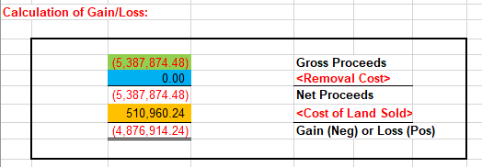
Calculation of Gain/Loss: |  |  |  |  |  |  |  |  |  |  |  |  |  | *Book value has changed due to additional costs incurred on WA 0PT48466 - Purchase of Bloomdale Switch land

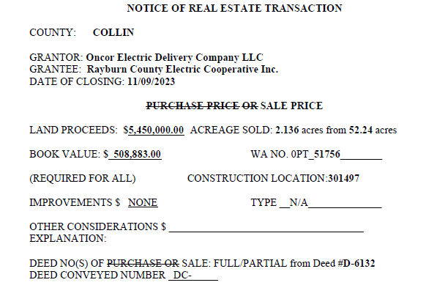
 |  | (5,387,874.48) |  | Gross Proceeds
 |  | 0.00 |  | <Removal Cost>
 |  | (5,387,874.48) |  | Net Proceeds
 |  | 511,319.76 |  | <Cost of Land Sold>
 |  | (4,876,554.72) |  | Gain (Neg) or Loss (Pos)

 | Gain Adjustment amount: |  | $359.52
Journal Entry:

Gain if Credit

BU | DeptID | Account | EC | Project | Location | Activity | Affiliate | Amount | Reference | Description
TRN | 515660 | 1084212 | 941 | 0PT51756 | 0000 | 0000 |  | (359.52) | Gain Adj | Adj due to increase land cost
TRN | 515660 | 4210100 | 000 | 0PT51756 | 0000 | 0000 |  | 359.52 | Gain Adj | Adj due to increase land cost

Retire the Land Sold

U46E_PROJ_TXNS
Unit | Project | Asset ID | Vntg Yr | Account | Plant Acct | Prop Unit | Descr | Sub Acct | Trans Type | Qty | Gross Amt | Reference | User | Descr | AFUDC Amt | CIAC Amt | Net Amt | Posted | CnstrWrkLc
TRN | 0PT51756 | 00751493 | 2022 | 1010212 | 349 | 0010 | FEE LAND | 7000 | RT | 0.00 | (171.18) | Land Sold | U1N6 | Addtn'l retirement due to cost of land increase | 0.00 | 0.00 | (171.18) | 2023-12-31 | 0301497
TRN | 0PT51756 | 00751493 | 2023 | 1010212 | 349 | 0010 | FEE LAND | 7000 | RT | (2.14) | (510,789.06) | Land Sold | U1N6 | ACERAGE SOLD: 2.136 acres from 52.24 acres | 0.00 | 0.00 | (510,789.06) | 2023-11-30 | 0301497
TRN | 0PT51756 | 00751493 | 2024 | 1010212 | 349 | 0010 | FEE LAND | 7000 | RT | 0.00 | (359.52) | Land Sold | U1N6 | Addtn'l retirement due to cost of land increase | 0.00 | 0.00 | (359.52) |  | 0301497
 |  |  |  |  |  |  |  |  |  | (2.14) | (511,319.76)

Sale of 3.331 Acres
ACREAGE SOLD: 3.331 acres from 13.307 acres

UVD2_PROJECT_CHARGES_ALL
Unit | Dept | Account | EC | Project | Location | Activity | Affiliate | BU Amount | Journal ID | DelivDt-PO | Period | Year | Source Type | Sys Source | Descr
TRN | 515660 | 1070000 | 856 | 0PT55721 | 0000 | 0000 |  | (157,037.00) | BIBI006655 |  | 9 | 2024 | CIAC | BIL | CIAC-Sale of Oncor Facilities
TRN | 515660 | 1070000 | 859 | 0PT55721 | 0000 | 0000 |  | 157,037.00 | PRJ1007216 |  | 9 | 2024 | CIAC | PRJ | CIAC-Allocated
TRN | 515660 | 1084311 | 941 | 0PT55721 | 0000 | 0000 |  | (157,037.00) | PRJ1007216 |  | 9 | 2024 | CIAC | PRJ | Other Recoveries- Const. Acctg

Cost of Land:

UVD2_LAND_IN_FEE |  |  |  |  |  |  |  |  |  |  |  |  |  |  |  |  |  |  |  |  |  | Deed
Unit | Asset ID | CnstrWrkLc | Descr | Account | Func code | Plant Acct | Sub Acct | Prop Unit | Descr | Trans Type | Project | Vntg Yr | Gross Amt | Net Amt | CIAC Amt | AFUDC Amt | Qty | Posted | Reference | User | Descr | Easement
TRN | 00401999 | 0301425 | Mckinney, 138Kv | 1010311 | DSR | 374 | 7000 | 0010 | Land in fee | MA |  | 1934 | 1,387.34 | 1,387.34 | 0.00 | 0.00 | 13.307 | 1994-11-01 |  | CONV2000 | No comment,ECS | 1274

 |  |  |  |  |  |  |  |  |  |  |  |  |  | 1,387.34 |  |  | 13.307

 |  |  |  |  |  |  |  |  |  |  |  |  |  | 104.26 | Cost per Acre
 |  |  |  |  |  |  |  |  |  |  |  |  |  | 347.28 | Cost of Land Sold | 3.3310 | Acres

Calculation of Gain/Loss:
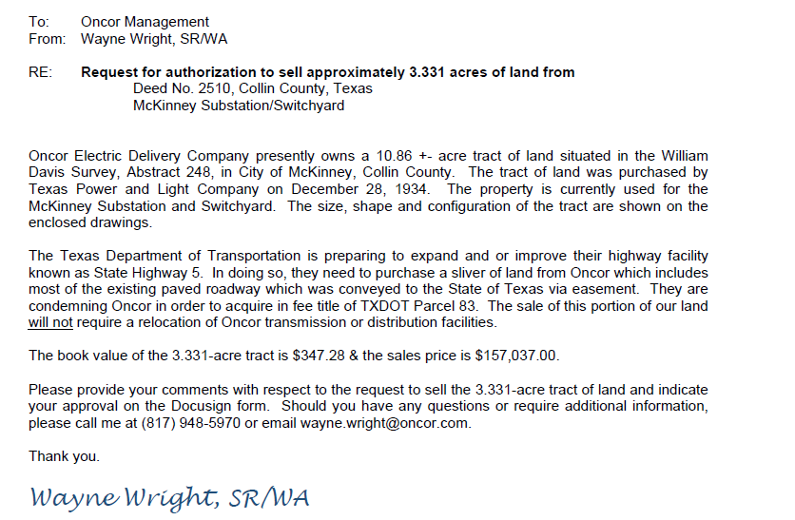

 |  | (157,037.00) |  | Gross Proceeds
 |  | 0.00 |  | <Removal Cost>
 |  | (157,037.00) |  | Net Proceeds
 |  | 347.28 |  | <Cost of Land Sold>
 |  | (156,689.72) |  | Gain (Neg) or Loss (Pos)

Journal Entry:

Gain if Credit

BU | DeptID | Account | EC | Project | Location | Activity | Affiliate | Amount | Reference | Description
TRN | 515660 | 4210100 | 000 | 0PT55721 | 0000 | 0000 |  | (156,689.72) |  | Gain on Sale of 3.331Acres
TRN | 515660 | 1084311 | 941 | 0PT55721 | 0000 | 0000 |  | 156,689.72 |  | Gain on Sale of 3.331Acres

Retire the Land Sold

U46E_PROJ_TXNS
Unit | Project | Asset ID | Vntg Yr | Account | Plant Acct | Prop Unit | Descr | Sub Acct | Trans Type | Qty | Gross Amt | Reference | User | Descr | AFUDC Amt | CIAC Amt | Net Amt | Posted | CnstrWrkLc
TRN | 0PT55721 | 00401999 | 1934 | 1010311 | 374 | 0010 | Land in fee | 7000 | RT | (3.33) | (347.28) | Land Sold | U1N6 | ACREAGE SOLD: 3.331 acres from 13.307 acres | 0.00 | 0.00 | (347.28) |  | 0301425

 |  |  |  |  |  |  |  |  |  | (3.33) | (347.28)

Sale of 1.05 Acres
ACREAGE SOLD: 1.05 acres from 6.90 acres

UVD2_PROJECT_CHARGES_ALL
Unit | Dept | Account | EC | Project | Location | Activity | Affiliate | BU Amount | Journal ID | DelivDt-PO | Period | Year | Source Type | Sys Source | Descr
TRN | 515660 | 1070000 | 499 | 0PT52160 | 0000 | 0000 |  | 998.50 | PUR1008501 |  | 10 | 2024 | MISCL | PUR | Other Services
TRN | 515660 | 1070000 | 856 | 0PT52160 | 0000 | 0000 |  | (2,035.21) | BIBI007917 |  | 10 | 2024 | CIAC | BIL | CIAC-Sale of Oncor Facilities
TRN | 515660 | 1070000 | 859 | 0PT52160 | 0000 | 0000 |  | 2,035.21 | PRJ1008574 |  | 10 | 2024 | CIAC | PRJ | CIAC-Allocated
TRN | 515660 | 1070000 | 870 | 0PT52160 | 0000 | 0000 |  | 59.81 | ALO1008541 |  | 10 | 2024 | INDOH | ALO | Indirect Construction Overhead
TRN | 515660 | 1084311 | 941 | 0PT52160 | 0000 | 0000 |  | (2,035.21) | PRJ1008574 |  | 10 | 2024 | CIAC | PRJ | Other Recoveries- Const. Acctg

Cost of Land:

UVD2_LAND_IN_FEE |  |  |  |  |  |  |  |  |  |  |  |  |  |  |  |  |  |  |  |  |  | Deed
Unit | Asset ID | CnstrWrkLc | Descr | Account | Func code | Plant Acct | Sub Acct | Prop Unit | Descr | Trans Type | Project | Vntg Yr | Gross Amt | Net Amt | CIAC Amt | AFUDC Amt | Qty | Posted | Reference | User | Descr | Easement
TRN | 00000297 | 0005761 | Upton 138-12.5Kv | 1010311 | DSR | 374 | 7000 | 0010 | Land in fee | RT | 16T80078 | 1929 | (217.10) | (217.10) | 0.00 | 0.00 | (3.10) | 2017-05-31 | SALE | UVD2 | SALE OF 3.10 ACRES | D00625
TRN | 00000297 | 0005761 | Upton 138-12.5Kv | 1010311 | DSR | 374 | 7000 | 0010 | Land in fee | AD | CONVERSN | 1929 | 700.33 | 700.33 | 0.00 | 0.00 | 10.00 | 1929-01-01 |  | CONV2000 | INITIAL ADD - CONVERTED FROM ID CPR | D00625

 |  |  |  |  |  |  |  |  |  |  |  |  |  | 483.23 |  |  | 6.90

 |  |  |  |  |  |  |  |  |  |  |  |  |  | 70.03 | Cost per Acre
 |  |  |  |  |  |  |  |  |  |  |  |  |  | 73.54 | Cost of Land Sold | 1.0500 | Acres

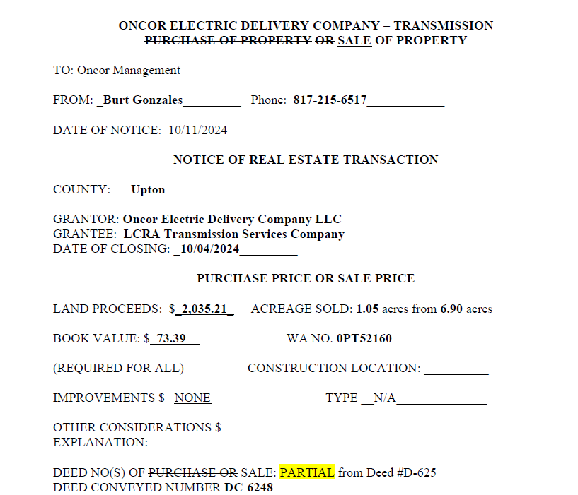
Calculation of Gain/Loss:

 |  | (2,035.21) |  | Gross Proceeds
 |  | 1,058.31 |  | <Removal Cost>
 |  | (976.90) |  | Net Proceeds
 |  | 73.54 |  | <Cost of Land Sold>
 |  | (903.36) |  | Gain (Neg) or Loss (Pos)

Journal Entry:

Gain if Credit

BU | DeptID | Account | EC | Project | Location | Activity | Affiliate | Amount | Reference | Description
TRN | 515660 | 4210100 | 000 | 0PT52160 | 0000 | 0000 |  | (903.36) |  | Gain on Sale of 1.05 Acres
TRN | 515660 | 1084311 | 941 | 0PT52160 | 0000 | 0000 |  | 903.36 |  | Gain on Sale of 1.05 Acres

Retire the Land Sold

U46E_PROJ_TXNS
Unit | Project | Asset ID | Vntg Yr | Account | Plant Acct | Prop Unit | Descr | Sub Acct | Trans Type | Qty | Gross Amt | Reference | User | Descr | AFUDC Amt | CIAC Amt | Net Amt | Posted | CnstrWrkLc
TRN | 0PT52160 | 00000297 | 1929 | 1010311 | 374 | 0010 | Land in fee | 7000 | RT | (1.05) | (73.54) | Land Sold | U1N6 | ACREAGE SOLD: 1.05 acres from 6.90 acres | 0.00 | 0.00 | (73.54) |  | 0005761

 |  |  |  |  |  |  |  |  |  | (1.05) | (73.54)

